Sheet1
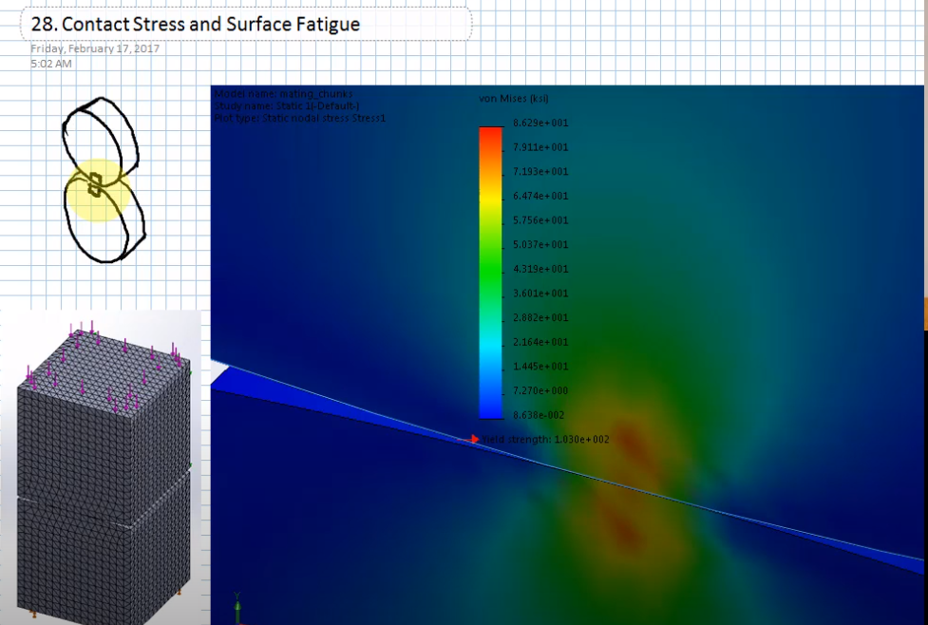
 | Example: finding required brinell hardness for cam |  |  |  |  | Factor of Safety Type
Force at critical location |  |  |  |  |  | Stress-Based
 | δmax_spring | 0.55 | in |  | No endurance limit for contact fatigue. | Force-Based
 | kspring | 300 | lbf/in |  | Maximum stress does not occur at the point of contact.
 |  |  |  |  | Maximum stress occurs just slightly below the surface of point of contact.
 |  |  |  |  | This can cause pitts/holes in the part, where the material below it has fatigued and fall out.
 |  |  |  |  | As deformation occurs, more area starts to contact.

Part 1 | Follower | Description
Part 2 | Cam | Description

Young's Modulus of Part 1 | E1 | 30000 | ksi
Young's Modulus of Part 2 | E2 | 30000 | ksi
Poisson's Ratio of Part 1 | ν1 | 0.292 | -
Poisson's Ratio of Part 2 | ν2 | 0.292 | -
Hardness of Part 1 | HB1 | 510 | -
Hardness of Part 2 | HB2 | 414.5 | -
Factor of Safety | n | 1.2 | -
Factor of Safety Type | ntype | Force-Based | -
Radius of part 1 | r1 | 0.2 | in
Radius of part 2 | r2 | 0.12 | in
Face width | w | 0.5 | in
Elastic Coefficient (AGMA) | Cp | 72.24749731 | sqrt(ksi)
Force | F | 165 | lbf
Surface Contact Strength Required | Sc | 166.01210974
Speed | ω | 30 | rpm
Time | time | 17520 | hours
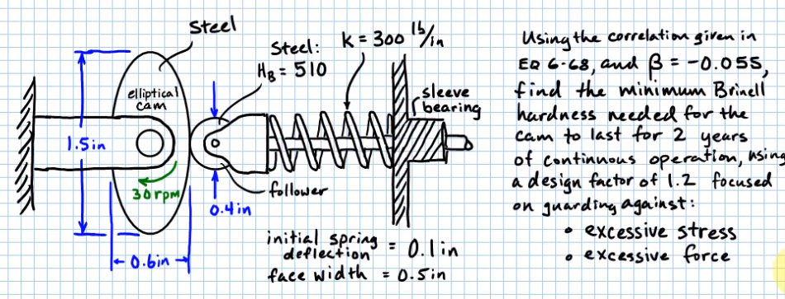
Cycles | N | 31536000 | -
 | Sc_10^7 | 192.77
 | Sc_10^8 | 194
 | β | -0.055
 | α | 429.1154311
 | Sc_f_10^8 | 155.802396 | ksi
 | Sc | 155.8 |  | Goal Seek with Brinell Hardness to be equal to above cell if looking for needed brinell hardness

